How to use
How to extract SVG code for Arduino reading

Step 1 | Your design in any vector file version, then export it to SVG file
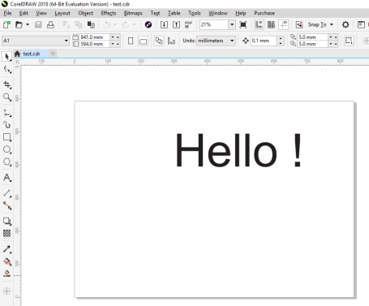

Step 2 | Open SVG file by Notepad and copy code to sheet "Input" | (sheet "Input")
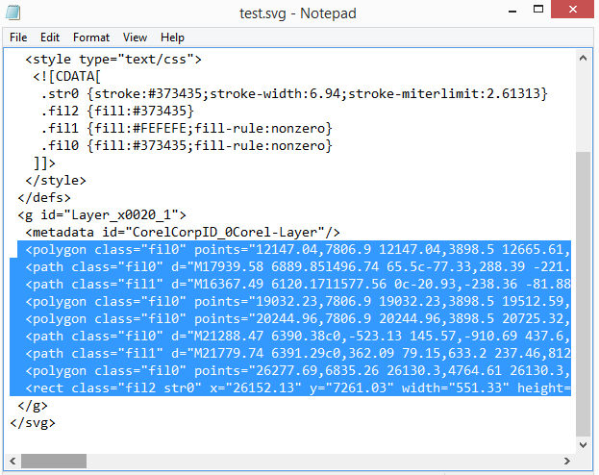
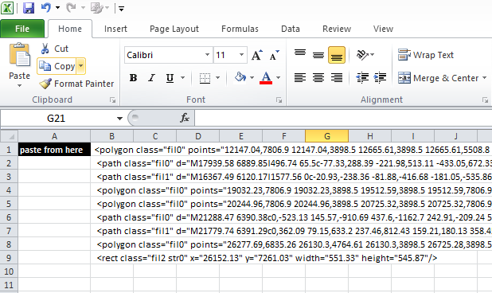

Step 3 | Run Macros to convert code | (sheet "result")

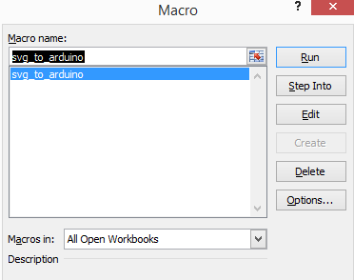

Step 4 | Copy result in sheet "result" to text file and name it as "draw.txt"
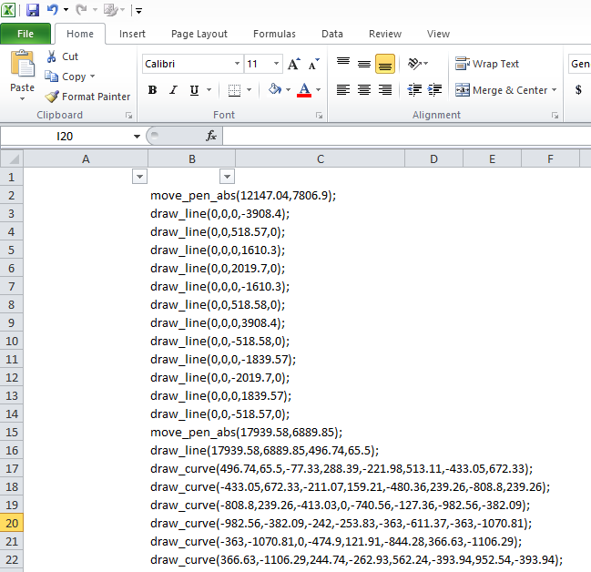
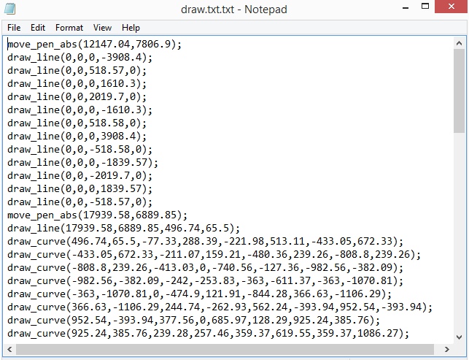

Step 5 | Copy draw.txt file to SD card and insert it to robot and start drawing

